GHG Procedure
Procedure for Greenhouse Gas (GHG) emissions data collection, monitoring and reporting |  |  | DRAFT FOR CLIENT REVIEW

Introduction The purpose / use of information | This is the procedure for Origin Enterprises plc (OE) Business Units (BUs) to measure and report their GHG (Greenhouse Gas) emissions for tracking to targets and reporting. GHGs associated with OE activities must be calculated and measured on a regular basis to inform Origin's target commitments (Science Based Targets initiative), annual Sustainability Report, best practice benchmarks and external reporting requests such as CDP, task force on climate-related financial disclosures (TCFD) and various customer/supplier requests.

GHG monitoring and reporting requirements OE must meet | The best practice benchmark in GHGs include Science Based Targets initiative (SBTi) for targets and CDP for reporting. OE is committed to SBTi and reports through CDP annually. In 2021, OE committed to the SBTi with targets to reduce absolute scope 1 and 2 GHG emissions 54.6% by 2032 from a 2019 base year and reduce absolute scope 3 GHG emissions 32.5% by 2032 from a 2019 base year (WB2C). Tracking to this target requires consistent GHG data gathering across all BUs. Methods and calculations used are in line with the GHG Protocol more detail of which can be found on the Background Data and Methodology tab.

GHG Emissions Inventory | Base Year - 2019 financial year (1st August 2018-31st July 2019) is the base year chosen for OE SBTi reduction targets across Scope 1-3. Annual emissions are tracked in comparison to the base year to assess progress. Organisational Boundary - Origin Enterprises has adopted the 'operational control' method in order to prepare and report its GHG emissions inventory. The boundary establishes all data and activities that OE are required to report on. The operational control boundary for the GHG emissions generated by OE business activities, includes all entities it has operational control over. The operational boundary was set as defined by the GHG Protocol Corporate Accounting and Reporting Standard and was used to generate the GHG emissions inventory. In the case of investments where Origin Enterprise plc does not have operational control an Equity control approach is undertaken i.e. if Origin owns 50% of the equity, it is responsible for 50% of the carbon emissions.

Data Collection Principles and GHG emissions | Principles In order to ensure that GHG emissions inventory data is a true and fair account, the principles of GHG accounting should be applied. Information should be relevant, complete, consistent, transparent and accurate as outlined in the full description of the principles on the Background Data and Methodology tab. Origin produces Greenhouse Gases from its operations (Scope 1 & 2) and indirect operations (Scope 3). All three scopes must be calculated and measured on a regular basis to inform Origin's GHG target commitments and external reporting requests. Origin Enterprises shall prepare a complete GHG emissions inventory annually in line with the GHG Protocol as follows: Scope 1: direct emissions from owned / controlled sources (such as fuel use on site) Scope 2: indirect emissions from the generation of purchased electricity. When collecting data for Scope 2 emissions you must gather certificates to back up any renewable energy in the electricity supplied to site. The % of renewable electricity purchased is important to gather to accurately measure Scope 2 emissions. This also includes electricity associated with the charging of electric vehicles. Scope 3: other indirect emissions, including upstream / downstream. Instructions on how to record for the material Scope 3 categories for OE are outlined below. Emission types are illustrated on image Fig. 1.1 on the right hand side The detail behind these sources are outlined on the Background Data and Methodology tab. | 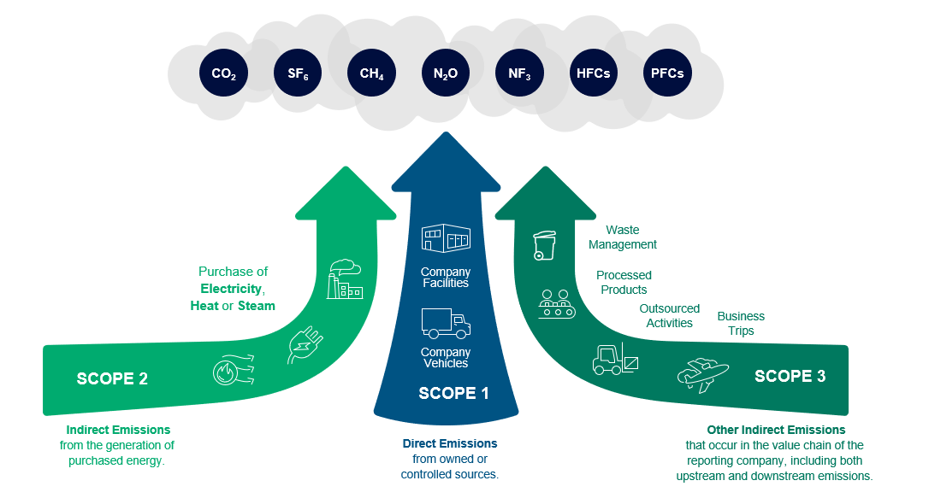 | Fig. 1.1 | Scope 1, 2 and 3 emissions

Step by step instructions | Frequency of data collection Data for Scope 1 and 2 is to be recorded monthly per BU and returned to Emer Moran and Brendan Corcoran. Spreadsheets are to be returned by the 8th workday of the month. F gas is to be recorded once annually. The full set of Scope 1, 2 and 3 data must be completed on an annual basis (aligned to the Origin financial year 1st Aug-31st Jul) and returned to Emer Moran and Brendan Corcoran for reporting and target requirements by x date (may also need to have a CDP reporting date and a full year reporting date)

 | Scope 1
 | Step 1 : Data collection lead uses utility invoices, meters, readings or other to calculate the monthly amount of energy from fuel, oils, gas and other scope 1 fuels (examples of fuel types listed on the scope 1 tab). Monthly invoices should be recorded for reporting. Ensure the unit is correct when entering. Fuel card providers should be able to provide you with a total annual litres of transport fuel consumed report. Finance teams will be able to provided associated cost with submitted mileage receipts and fuel receipts. Vehicle data should be recorded based on most accurate form of data. Therefore, you should not manipulate the data by converting mileage to litres. Recorded fuel from fuel cards would be identified as the most accurate data, followed by recorded mileage. If you have no recorded mileage or recorded litres of fuel, please don't estimate figures. Complete the annual cost column for all submitted fuel receipts instead. Only enter one source of data to ensure double counting doesn't occur. If some of your vehicles have fuel cards and others have recorded km. Enter both sets of data but ensure this is recorded in the comments section. Supporting document required: Ask your energy provider for an annual statement of all your metered energy consumption for the year. This should be stored centrally and used to sense check that quarterly invoices/usage reported are correct. Annual Report statements should be requested on the 1st August annually for the previous reporting period 1st August - 31st July in line with annual reporting requirements.

 | Scope 2
 | Step 1 : Data collection lead uses utility invoices, meters, readings or other to calculate the quarterly amount of electricity used on site and enters the figure in the column for that quarter and clarifies if a guarantee of origin cert is provided. Supporting documents required: If your site is using renewable energy, your energy provider should issue you with Guarantee of Origin Certificates (GO). Certificates should include total kWh, source of renewable energy, date covered by GO, MPRN and certificate number. Ask your energy provider for an annual statement of all your metered energy consumption for the year. Annual Report statements should be requested on the 1st August annually for the previous reporting period 1st August - 31st July in line with annual reporting requirements. This should be stored centrally and used to sense check that quarterly invoices are correct.

 | F Gas
 | F gas information needs to be reported once per year and should be gathered in February and submitted in March for the annual reporting period. Data collection information can be found on your companies F Gas register or on the maintenance stickers on your cooling units. Gas information is to be entered quarterly on the F Gas Tab. maintenance managers should hold all information regarding F Gases on site.

 | Scope 3
 | Step 1: For Scope 3 data, which is GHG data outside of the site operations, data should be collected annually in the Scope 3 tabs labelled 3.1-3.15. This needs to be done by x date each year. At the end of the financial year the final collection should contain a full year of data, including scope 3. Each tab 3.1-3.15 is created specific to the business unit that is filling it out. Not all categories are required to be reported for all business units. A description of each category along with examples is included in each Scope 3 tab. Best practice data collection will have clear and consistent naming, physical data plus monetary and country of origin (where applicable).
 | Step 2: When all scope 3 data is complete, together with full financial year scope 1&2 data, the spreadsheet should be sent to Emer Moran and Brendan Corcoran. The full year dataset will be combined with all sites. The Scope 1 , 2 & 3 data can now be used for full financial year reporting.

 | Other
 | Data changes - Should any material data changes occur to previously reported figures, please update the figures on the next data collection and include a comment in the comments to state what the update was and give reasoning.
 | Full dataset not available - If you cannot obtain the full dataset requested, please leave a comment. For example, if you are reporting for October but the invoice for October is not yet available, do not estimate. Instead, insert a comment that October is not yet available and update it at the next quarterly review when actual data becomes available.
 | Changes in energy types - If there are new fuels used or if any become obsolete on a site, please note this in the comments.
 | Facility ownership - Owned properties and leased properties should be clearly distinguished between in the template in.
 | Data availability - Data collection may be required from multiple functions within a business unit including but not limited to; finance, travel, procurement and site or operations management.

Issue date:
Location folder:
Revision:
Doc reference number:
Revision date:
Document Owner

Background Data & Methodology
 |  |  |  | DRAFT FOR CLIENT REVIEW
DRAFT Background Data & Methodology- Summary of the GHG accounting methods and Scope 1-3 for Origin Enterprises

Why does Origin Report GHG Emissions? |  | Origin Enterprises PLC has several GHG monitoring and reporting requirements under CDP, the Science Based Targets initiative (SBTi) and ISO 14001. The best practice benchmark in GHGs include Science Based Targets initiative (SBTi) for targets and CDP for reporting. In 2021 OE plc committed to the gold standard SBTi with targets to reduce absolute scope 1 and 2 GHG emissions 54.6% by 2032 from a 2019 base year and reduce absolute scope 3 GHG emissions 32.5% by 2032 from a 2019 base year (WB2C). See figure 2.1 for the path to target for Scope 1 and 2. Under these initiatives Origin Enterprises PLC is required to monitor and report on the GHG emissions associated with their business operations. Other annual reporting requirements that OE must complete include annual CDP reporting to satisfy investor requests, TCFD (Task Force on Climate-related Disclosure), annual Sustainability Reports, Internal reports/target tracking and various customer/supplier external requests. | Fig. 2.1

Types of Emissions |  | Origin produces Greenhouse Gases from its operations (Scope 1 & 2) and indirect operations (Scope 3). All three scopes must be calculated and measured on a regular basis to inform Origin's GHG target commitments and external reporting requests as listed above. OE can automatically calculate the GHG footprint across Scope 1 and 2 categories by filling out the required data in this data template. Emission factors are embedded in the template to calculate the Scope 1 and 2 emissions. It is advised that emission factors are reviewed regularly and best practice is to get emissions verified, before externally reporting figures. Sources of emissions include: Scope 1: Direct emissions from owned / controlled sources. The primary activities that are contributing to Scope 1 emissions are transport logistics from fleet and agronomist private cars and power for heating of offices, warehouses & distribution centres mostly from natural gas consumption but other sources are LPG, kerosene, diesel, fuel oil and petrol. Transport emissions are dominated by agronomists traveling in petrol and diesel cars and vans from farm to farm and covering large ground, along with HGV transport. Scope 2: Indirect emissions from the generation of purchased electricity. Operations / activities contributing to Scope 2 emissions involve electricity consumption (procured) at offices, warehouses & distribution centres and vehicle charging. Origin uses a market based approach for calculations. As part of the decarbonisation approach, OE can procure electricity from more renewable sources, to reduce associated emissions. Sites that procure renewable electricity must retain a Guarantee of Origin certificate to ensure sauces are credible (stating for example that the number kwh energy supplied came from Hydro, Solar and Wind or other renewable sources for the year). There are a number of properties across the UK operations where a third- party landlord retains control over sourcing of elect | 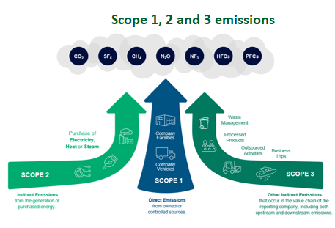 Fig. 2.2

Methodology Applied |  | GHG emission inventories and disclosures shall be undertaken in line with the requirements of the Greenhouse Gas Protocol Corporate Accounting and Reporting Standard
 |  | GHG emission inventories and disclosures shall be undertaken in line with the requirements of the Greenhouse Gas Protocol Corporate Value Chain (Scope 3) Accounting and Reporting Standard.
 |  | GHG emissions are categorised into boundaries in accordance to the GHG Protocol (WRI & WBCSD, 2004)
 |  | Methods and calculations used are in line with the GHG Protocol and the Global Reporting Initiative (GRI) Standard for tracking total energy use (GRI 302).
 |  | For target setting in GHG, Origin Enterprises have applied Version 5.0 of the SBTi criteria (valid from July 2022), version 2.0 of the How-to Guide for Setting Near-Term Targets (valid from Dec 2022) and Science-based Target setting tool v1.2.1.
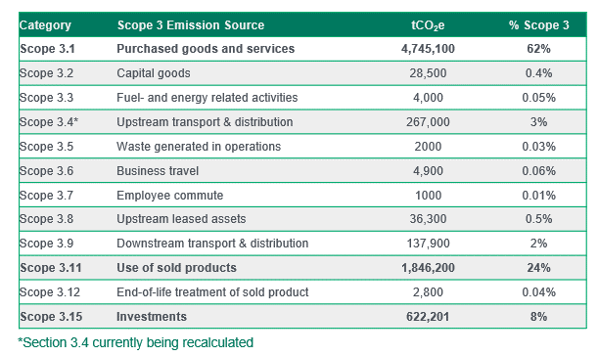
Principles for GHG Reporting |  | In order to facilitate company reporting and tracking, GHG emissions metrics for Scope 1 and 2 should be reported on a monthly basis and issued to Emer Moran and Brendan Corcoran. A full set of GHG data including scope 3, is to be reported annually and issued to Emer Moran and Brendan Corcoran. | Fig 2.3
 |  | Principles for GHG reporting
 |  | In order to ensure that GHG emissions inventory data is a true and fair account, the principles of relevance, completeness, consistency, transparency and accuracy shall be applied.
 |  | 1. Relevance: Relevant information is identified as potentially necessary for inclusion in the annual report, for example GHG emissions as a contributor to climate change.
 |  | 2. Completeness: The GHG emissions inventory accounts for all GHG emission sources and activities within the chosen inventory boundary, with justification for any specific exclusions or omissions.
 |  | 3. Consistency: Methodologies to prepare the inventory shall be consistent over time to allow for meaningful comparisons of GHG emissions. Any changes to data sources, methodologies, boundaries or assumptions should be documented transparently. Consistency refers to the use of the same standards, policies, and procedures over time.
 |  | 4. Transparency: All relevant issues shall be disclosed in a factual and coherent manner, allowing for third-party verification.
 |  | 5. Accuracy: Origin Enterprises shall maintain accurate and up-to-date records to support the preparation of a GHG emissions inventory using the GHG Protocol. The quantification of GHG emissions shall systematically neither over/under report actual GHG emissions, as far as can be judged, and uncertainties shall be reduced as far as practicable.

 |  | This template was developed by Davy Horizons for Origin Enterprises plc during the development and roll out of their Environmental Management System in accordance with ISO 14001:2015

Links for methodology/reporting
SBTi | https://sciencebasedtargets.org/
SBTi Target Setting Tool | SBT-Tool-v1.2.1.xlsx (live.com)
TCFD | https://www.fsb-tcfd.org/

